Contents
CUSIP Profile
Table of Contents
Instructions
Blank Template
Sample File & Field Info
Notes about CSV Files
[click to navigate]

Please carefully read each worksheet tab in this workbook before creating a CUSIP Profile Upload file

(as of September 2019)

Instructions
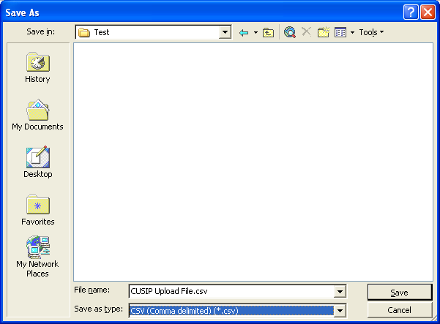
Instructions
1. This document is designed for the CSV upload feature of CUSIP Profile. There are several tabs contained within this file. The 'Blank Template' tab has the layout structure for CUSIP Profile transactions. The 'Sample & Field Info' tab shows an example of what a spreadsheet would look like when it's ready to submit and detailed information about field parameters. The 'CSV Notes' tab provides general information about CSV files. Please review all tabs to become familiar with the requirements of creating a file.
2. A file should include data for one carrier only. The carrier is selected within the CUSIP Profile application before the file is attached for uploading. There is a 1,000 row limit for DTCC system processing. If more rows of data are needed, additional file(s) should be created.
3. For a file created by hand, data should be entered in the 'Blank Template' tab, inserting additional rows as needed. All required fields, highlighted in pink, must be populated. Also, click on "Sample" tab to view all field information. After all data is entered, any blank rows or rows that have data that are not part of the records being submitted should be removed. If these rows are not removed, they will not be accepted upon submission and will displayed be on the record count message as not accepted. Before using the Blank Template, please view the "Sample & Field Info" tab to view a sample and see field formats (under the "Notes" section). Also, do not include field names (ie. CUSIP Number, CUSIP Name/Description) in the file being uploaded. If the field names are included, the row will be rejected.
4. After all of the data is entered in the spreadsheet, the file must be saved as .CSV file. This is done by specifying the file extension during the save process. See picture below. Once the file is saved correctly, the extension will be .csv (not .xls or .xlsx). Please be aware that when saving to CSV format, only data on the active tab will be saved (all other tabs will not be included in the CSV file.) Recommendation: After saving file as CSV, review file in Notepad to make sure the fields are properly formatted.

